Sheet1
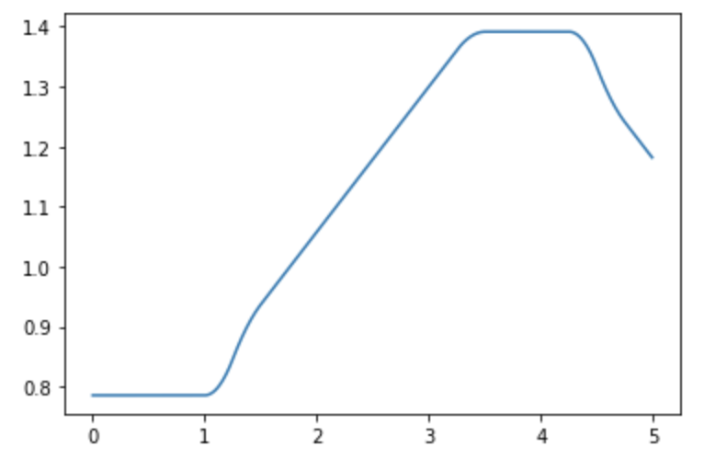
 |  | Trajectory 1 (3-Point Turn) |  |  |  | Trajectory 2 (U-turn) |  |  |  | Trajectory 3 (Box) |  |  |  | Trajectory 4 (Lightning Bolt) |  |  |  | Trajectory 5 (Triangle w/piroette) |  |  |  | Trajectory 6 (Drift)

 |  | sec | degree/sec | degree/sec |  | sec | degree/sec | degree/sec |  | sec | degree/sec | degree/sec |  | sec | degree/sec | degree/sec |  | sec | degree/sec | degree/sec |  | sec | degree/sec | degree/sec
 |  | Time | Left Wheel | Right Wheel |  | Time | Left Wheel | Right Wheel |  | Time | Left Wheel | Right Wheel |  | Time | Left Wheel | Right Wheel |  | Time | Left Wheel | Right Wheel |  | Time | Left Wheel | Right Wheel
 | 1 | 0 | 0 | 0 | 1 | 0 | 0 | 0 | 1 | 0 | 0 | 0 | 1 | 0 | 0 | 0 | 1 | 0 | 0 | 0 | 1 | 0 | 0 | 0
 | 2 | 0.25 | 50 | 50 | 2 | 0.25 | 150 | 150 | 2 | 0.25 | 100 | 100 | 2 | 0.25 | 240 | 240 | 2 | 0.25 | 60 | -60 | 2 | 0.25 | 200 | 200
Max 600 deg/sec | 3 | 0.5 | 150 | 150 | 3 | 0.5 | 300 | 300 | 3 | 0.5 | 200 | 200 | 3 | 0.5 | 240 | 240 | 3 | 0.5 | 0 | 0 | 3 | 0.5 | 400 | 400
 | 4 | 0.75 | 300 | 300 | 4 | 0.75 | 450 | 450 | 4 | 0.75 | 100 | 100 | 4 | 0.75 | 240 | 240 | 4 | 0.75 | 100 | 100 | 4 | 0.75 | 400 | 300
Min -600 deg/sec | 5 | 1 | 300 | 300 | 5 | 1 | 300 | 300 | 5 | 1 | 0 | 0 | 11 | 2.5 | 0 | 0 | 5 | 1 | 200 | 200 | 5 | 1 | 400 | 300
 | 6 | 1.25 | 150 | 250 | 6 | 1.25 | 150 | 150 | 6 | 1.25 | 90 | -90 | 6 | 1.25 | 45 | -45 | 6 | 1.25 | 100 | 100 | 6 | 1.25 | 400 | 400
 | 7 | 1.5 | 100 | 150 | 7 | 1.5 | 0 | 0 | 7 | 1.5 | 0 | 0 | 7 | 1.5 | 45 | -45 | 7 | 1.5 | 0 | 0 | 7 | 1.5 | 200 | 400
 | 8 | 1.75 | 50 | 100 | 8 | 1.75 | -90 | 0 | 8 | 1.75 | 100 | 100 | 8 | 1.75 | 45 | -45 | 8 | 1.75 | 300 | -300 | 8 | 1.75 | 200 | 400
 | 9 | 2 | 0 | 50 | 9 | 2 | 0 | 0 | 9 | 2 | 200 | 200 | 9 | 2 | 45 | -45 | 9 | 2 | 0 | 0 | 9 | 2 | 200 | 400
 | 10 | 2.25 | -50 | 0 | 10 | 2.25 | 150 | 150 | 10 | 2.25 | 100 | 100 | 10 | 2.25 | 0 | 0 | 10 | 2.25 | 100 | 100 | 10 | 2.25 | 400 | 400
 | 11 | 2.5 | -150 | -100 | 11 | 2.5 | 300 | 300 | 11 | 2.5 | 0 | 0 | 11 | 2.5 | 240 | 240 | 11 | 2.5 | 200 | 200 | 11 | 2.5 | 400 | 400
 | 12 | 2.75 | -200 | -150 | 12 | 2.75 | 150 | 150 | 12 | 2.75 | 90 | -90 | 12 | 2.75 | 240 | 240 | 12 | 2.75 | 100 | 100 | 12 | 2.75 | 400 | 400
 | 13 | 3 | -150 | -100 | 13 | 3 | 0 | 0 | 13 | 3 | 0 | 0 | 13 | 3 | 240 | 240 | 13 | 3 | 0 | 0 | 13 | 3 | 200 | 200
 | 14 | 3.25 | -50 | 0 | 14 | 3.25 | -90 | 90 | 14 | 3.25 | 100 | 100 | 14 | 3.25 | 0 | 0 | 14 | 3.25 | 300 | -300 | 14 | 3.25 | 100 | 100
 | 15 | 3.5 | 50 | 50 | 15 | 3.5 | 50 | 50 | 15 | 3.5 | 200 | 200 | 15 | 3.5 | -90 | 90 | 15 | 3.5 | 0 | 0 | 15 | 3.5 | 0 | 0
 | 16 | 3.75 | 150 | 150 | 16 | 3.75 | 100 | 100 | 16 | 3.75 | 100 | 100 | 16 | 3.75 | -90 | 90 | 16 | 3.75 | 100 | 100 | 16 | 3.75 | 0 | 0
 | 17 | 4 | 300 | 300 | 17 | 4 | 150 | 150 | 17 | 4 | 0 | 0 | 17 | 4 | -90 | 90 | 17 | 4 | 200 | 200 | 17 | 4 | 0 | 0
 | 18 | 4.25 | 300 | 300 | 18 | 4.25 | 200 | 200 | 18 | 4.25 | 90 | -90 | 18 | 4.25 | -90 | 90 | 18 | 4.25 | 100 | 100 | 18 | 4.25 | 200 | 200
 | 19 | 4.5 | 300 | 200 | 19 | 4.5 | 150 | 150 | 19 | 4.5 | 100 | 100 | 19 | 4.5 | 0 | 0 | 19 | 4.5 | 0 | 0 | 19 | 4.5 | 400 | 200
 | 20 | 4.75 | 200 | 150 | 20 | 4.75 | 100 | 100 | 20 | 4.75 | 200 | 200 | 20 | 4.75 | 480 | 480 | 20 | 4.75 | 360 | -360 | 20 | 4.75 | 200 | 400
 | 21 | 5 | 100 | 50 | 21 | 5 | 50 | 50 | 21 | 5 | 100 | 100 | 21 | 5 | 480 | 480 | 21 | 5 | 0 | 0 | 21 | 5 | 400 | 400

